Stock Chart-News
 | ValueAdd Senti Analysis
HOME >>
Company News >> | Ticker: | Search | Reset
Stock Chart Analysis >> | Date From | Date To:
Sentiment Analysis >>
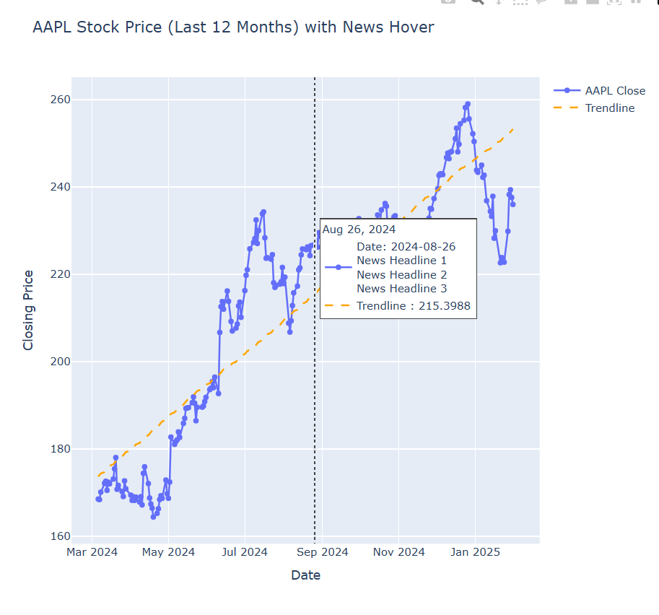
Company >>
News >>
Newsletter>>

